Questions
 |  | GDI 2020 Bands | GDI 2020 Scores (0-100)
 | Overall Country Score | D | 39
 | Political Risk | D | 39
Q1 | Legislative Scrutiny | C | 50
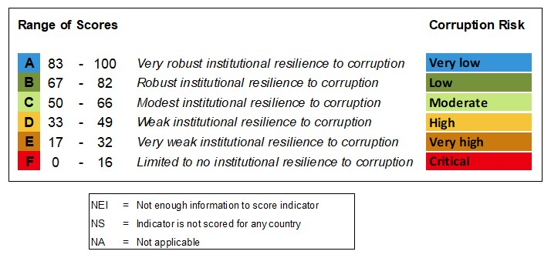
Q2 | Defence Committee | D | 40
Q3 | Defence Policy Debate | F | 0 |  |  |  | Range of Scores | Corruption Risk
Q4 | CSO Engagement | E | 17
Q5 | Conventions: UNCAC / OECD | B | 75 | F | 0 | - | 16 | Critical
Q6 | Public Debate | E | 25 | E | 17 | - | 32 | Very high
Q7 | Anticorruption Policy | F | 0 | D | 33 | - | 49 | High
Q8 | Compliance and Ethics Units | D | 42 | C | 50 | - | 66 | Moderate
Q9 | Public Trust in Institutions |  | NS | B | 67 | - | 82 | Low
Q10 | Risk Assessments | F | 13 | A | 83 | - | 100 | Very low
Q11 | Acquisition Planning | B | 67
Q12 | Budget Transparency & Detail | C | 50
Q13 | Budget Scrutiny | E | 25
Q14 | Budget Availability | C | 50
Q15 | Defence Income |  | NEI
Q16 | Internal Audit | D | 38
Q17 | External Audit | C | 56
Q18 | Natural Resources | B | 67
Q19 | Organised Crime Links | B | 75
Q20 | Organised Crime Policing | B | 75
Q21 | Intelligence Services Oversight | D | 38
Q22 | Intelligence Services Recruitment | F | 8
Q23 | Export Controls (ATT) |  | NEI
Q76 | Lobbying | F | 0
 | Financial Risk | C | 58
Q24 | Asset Disposal Controls | A | 83
Q25 | Asset Disposal Scrutiny | A | 92
Q26 | Secret Spending | F | 0
Q27 | Legislative Access to Information | E | 25
Q28 | Secret Program Auditing | C | 50
Q29 | Off-budget Spending | A | 100
Q30 | Access to Information | E | 25
Q31 | Beneficial Ownership | A | 100
Q32 | Military-Owned Business Scrutiny | A | 100
Q33 | Unauthorised Private Enterprise |  | NEI
Q77 | Defence Spending | F | 0
 | Personnel Risk | C | 53
Q34 | Public Commitment to Integrity | D | 42
Q35 | Disciplinary Measures for Personnel | A | 100
Q36 | Whistleblowing | B | 75
Q37 | High-risk Positions |  | NEI
Q38 | Numbers of Personnel | D | 42
Q39 | Pay Rates and Allowances | C | 63
Q40 | Payment System | A | 92
Q41 | Objective Appointments | E | 17
Q42 | Objective Promotions | E | 17
Q43 | Bribery to Avoid Conscription |  | NA
Q44 | Bribery for Preferred Postings | A | 100
Q45 | Chains of Command and Payment | A | 100
Q46 | Miltary Code of Conduct | E | 31
Q47 | Civilian Code of Conduct | C | 50
Q48 | Anticorruption Training | E | 17
Q49 | Corruption Prosecutions | F | 0
Q50 | Facilitation Payments |  | NEI
 | Operational Risk | F | 8
Q51 | Military Doctrine | F | 0
Q52 | Operational Training | F | 0
Q53 | Forward Planning | F | 0
Q54 | Corruption Monitoring in Operations | F | 0
Q55 | Controls in Contracting | D | 38
Q56 | Private Military Contractors |  | NS
 | Procurement Risk | D | 38
Q57 | Procurement Legislation | B | 75
Q58 | Procurement Cycle | E | 25
Q59 | Procurement Oversight Mechanisms | D | 33
Q60 | Potential Purchases Disclosed | C | 50
Q61 | Actual Purchases Disclosed | B | 75
Q62 | Business Compliance Standards | F | 0
Q63 | Procurement Requirements | E | 17
Q64 | Competition in Procurement | C | 50
Q65 | Tender Board Controls | C | 58
Q66 | Anti-Collusion Controls | B | 75
Q67 | Contract Award / Delivery | D | 44
Q68 | Complaint Mechanisms | B | 75
Q69 | Supplier Sanctions | B | 75
Q70 | Offset Contracts | F | 0
Q71 | Offset Contract Monitoring | F | 0
Q72 | Offset Competition | F | 0
Q73 | Agents and Intermediaries | D | 38
Q74 | Financing Packages | F | 0
Q75 | Political Pressure in Acquisitions |  | NS

